Output
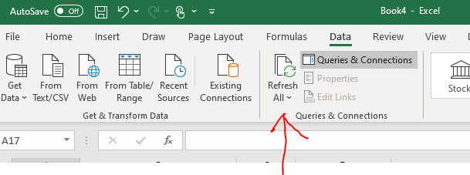
my_token->>

2013-04-16 | <----date here

Ticker | companyName | open | high | close | add field name here | URL
DAL | #VALUE! | 15.4 | 15.9 | 15.9 |  | https://cloud.iexapis.com/stable/time-series/HISTORICAL_PRICES/DAL?on=2013-04-16&token=
A | #VALUE! | 31.4 | 31.6 | 31.4 |  | https://cloud.iexapis.com/stable/time-series/HISTORICAL_PRICES/A?on=2013-04-16&token=
F | #VALUE! | 13.2 | 13.2 | 13.1 |  | https://cloud.iexapis.com/stable/time-series/HISTORICAL_PRICES/F?on=2013-04-16&token=
X | #VALUE! | 16.9 | 17.0 | 16.6 |  | https://cloud.iexapis.com/stable/time-series/HISTORICAL_PRICES/X?on=2013-04-16&token=
G | #VALUE! | 17.9 | 18.1 | 18.1 |  | https://cloud.iexapis.com/stable/time-series/HISTORICAL_PRICES/G?on=2013-04-16&token=

add ticker above

To refresh, select Data, Refresh All

